Exercise 1
Coach Lombardi is trying to choose the starting line-up for his five-a-side football team.
The team consists of seven players who have been rated (on a scale of 1 = poor to 3 = excellent) according to their ball-handling, shooting, tackling, and defensive abilities.
The positions that each player is allowed to play and the player’s abilities are listed in the table.
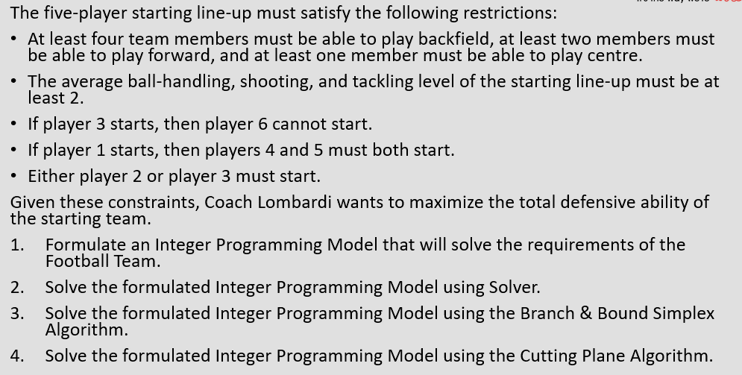
Player | Position | Ball-handling | Shooting | Tackling | Defence
1 | B | 3 | 3 | 1 | 3
2 | C | 2 | 1 | 3 | 2
3 | B-F | 2 | 3 | 2 | 2
4 | F-C | 1 | 3 | 3 | 1
5 | B-F | 3 | 3 | 3 | 3
6 | F-C | 3 | 1 | 2 | 3
7 | B-F | 3 | 2 | 2 | 1

xi=whether player I is chosen for the team or not
where i= player 1, ….. Player 7.
max z= 3x1 + 2x2 + 2x3 + 1x4 + 3x5 + 3x6 + 1x7
x1 + x2 + x3 + x4 + x5 + x6 + x7 = 5

x1 + x3 + x5 + x7 >= 4
x3 + x4 + x5 + x6 + x7 >= 2
x2 + x4 + x6 >= 1

(3x1 + 2x2 + 2x3 + x4 + 3x5 + 3x6 + 3x7)/5 >= 2 |  |  |  |  | OR |  | (3x1 + 2x2 + 2x3 + x4 + 3x5 + 3x6 + 3x7)/(x1 + x2 + x3 + x4 + x5 + x6 + x7) >= 2
3x1 + 2x2 + 2x3 + x4 + 3x5 + 3x6 + 3x7 >= 10 |  |  |  |  |  |  | (3x1 + 2x2 + 2x3 + x4 + 3x5 + 3x6 + 3x7)/(x1 + x2 + x3 + x4 + x5 + x6 + x7) >= 2
 |  |  |  |  |  |  | (3x1 + 2x2 + 2x3 + x4 + 3x5 + 3x6 + 3x7) >= 2(x1 + x2 + x3 + x4 + x5 + x6 + x7)
 |  |  |  |  |  |  | 3x1 + 2x2 + 2x3 + x4 + 3x5 + 3x6 + 3x7 >= 2x1 + 2x2 + 2x3 + 2x4 + 2x5 + 2x6 + 2x7
 |  |  |  |  |  |  | 3x1 + 2x2 + 2x3 + x4 + 3x5 + 3x6 + 3x7 - 2x1 - 2x2 - 2x3 - 2x4 - 2x5 - 2x6 - 2x7 >= 0
 |  |  |  |  |  |  | x1 + 0x2 + 0x3 -1x4 + x5 + x6 + x7 >= 0
(3x1 + x2 + 3x3 + 3x4 + 3x5 + x6 + 2x7)/5 >= 2 |  |  |  |  | OR |  | (3x1 + x2 + 3x3 + 3x4 + 3x5 + x6 + 2x7)/(x1 + x2 + x3 + x4 + x5 + x6 + x7) >= 2
3x1 + x2 + 3x3 + 3x4 + 3x5 + x6 + 2x7 >= 10 |  |  |  |  |  |  | (3x1 + x2 + 3x3 + 3x4 + 3x5 + x6 + 2x7)/(x1 + x2 + x3 + x4 + x5 + x6 + x7) >= 2
 |  |  |  |  |  |  | (3x1 + x2 + 3x3 + 3x4 + 3x5 + x6 + 2x7) >= 2(x1 + x2 + x3 + x4 + x5 + x6 + x7)
 |  |  |  |  |  |  | 3x1 + x2 + 3x3 + 3x4 + 3x5 + x6 + 2x7 >= 2x1 + 2x2 + 2x3 + 2x4 + 2x5 + 2x6 + 2x7
 |  |  |  |  |  |  | 3x1 + x2 + 3x3 + 3x4 + 3x5 + x6 + 2x7 - 2x1 - 2x2 - 2x3 - 2x4 - 2x5 - 2x6 - 2x7 >= 0
 |  |  |  |  |  |  | x1 -1x2 + x3 + x4 + x5 -1x6 + 0x7 >= 0
(x1 + 2x2 + 2x3 + x4 + 3x5 + 3x6 + x7)/5 >= 2 |  |  |  |  | OR |  | (x1 + 2x2 + 2x3 + x4 + 3x5 + 3x6 + x7)/(x1 + x2 + x3 + x4 + x5 + x6 + x7) >= 2
x1 + 2x2 + 2x3 + x4 + 3x5 + 3x6 + x7 >= 10 |  |  |  |  |  |  | (x1 + 2x2 + 2x3 + x4 + 3x5 + 3x6 + x7)/(x1 + x2 + x3 + x4 + x5 + x6 + x7) >= 2
 |  |  |  |  |  |  | (x1 + 2x2 + 2x3 + x4 + 3x5 + 3x6 + x7) >= 2(x1 + x2 + x3 + x4 + x5 + x6 + x7)
 |  |  |  |  |  |  | x1 + 2x2 + 2x3 + x4 + 3x5 + 3x6 + x7 >= 2x1 + 2x2 + 2x3 + 2x4 + 2x5 + 2x6 + 2x7
 |  |  |  |  |  |  | x1 + 2x2 + 2x3 + x4 + 3x5 + 3x6 + x7 - 2x1 - 2x2 - 2x3 - 2x4 - 2x5 - 2x6 - 2x7 >= 0
 |  |  |  |  |  |  | -1x1 + 0x2 + 0x3 -1x4 + x5 + x6 -1x7 >= 0

If player 3 starts, then player 6 cannot start
x3 | + | x6 |  | <=1
1 | + | 0 | 1 | T | T
1 | + | 1 | 2 | F | F
0 | + | 0 | 0 | T | T
0 | + | 1 | 1 | T | T

x3 + x6 <= 1

If player 1 starts, then players 4 and 5 must both start. |  |  |  |  |  |  |  |  |  |  | If player 1 starts, then players 4 and 5 must both start.
x1 | <= | x4 |  |  |  | x1 | <= | x5 |  |  | 2* | x1 | <= | x4 | + | x5 |  | 2x1 | <= | x4+x5
1 | <= | 1 | T | T |  | 1 | <= | 1 | T | T |  | 1 |  | 1 |  | 1 | T | 2 | <= | 2 | T
1 | <= | 0 | F | F |  | 1 | <= | 0 | F | F |  | 1 |  | 1 |  | 0 | F | 2 | <= | 1 | F
0 | <= | 0 | T | T |  | 0 | <= | 0 | T | T |  | 1 |  | 0 |  | 1 | F | 2 | <= | 1 | F
0 | <= | 1 | T | T |  | 0 | <= | 1 | T | T |  | 1 |  | 0 |  | 0 | F | 2 | <= | 0 | F
 |  |  |  |  |  |  |  |  |  |  |  | 0 |  | 1 |  | 1 | T | 0 | <= | 2 | T
2x1 <= x4 + x5 |  |  |  |  |  |  |  |  |  |  |  | 0 |  | 1 |  | 0 | T | 0 | <= | 1 | T
2x1 - x4 - x5 <= 0 |  |  |  |  |  |  |  |  |  |  |  | 0 |  | 0 |  | 1 | T | 0 | <= | 1 | T
 |  |  |  |  |  |  |  |  |  |  |  | 0 |  | 0 |  | 0 | T | 0 | <= | 0 | T
Either player 2 or player 3 must start.
x2 | + | x3 |  | =1 |  |  |  |  |  |  | 2x1 <= x4 + x5
1 | + | 0 | 1 | T | T |  |  |  |  |  | 2x1 - x4 - x5 <= 0
0 | + | 1 | 1 | T | T
0 | + | 0 | 0 | F | F
1 | + | 1 | 2 | F | F

x2 + x3 = 1

xi = 0 or 1

Final IP:
xi=whether player I is chosen for the team or not
where i= player 1, ….. Player 7.
max z= 3x1 + 2x2 + 2x3 + 1x4 + 3x5 + 3x6 + 1x7
x1 + x2 + x3 + x4 + x5 + x6 + x7 = 5
x1 + x3 + x5 + x7 >= 4
x3 + x4 + x5 + x6 + x7 >= 2
x2 + x4 + x6 >= 1
3x1 + 2x2 + 2x3 + x4 + 3x5 + 3x6 + 3x7 >= 10 |  |  |  | OR | x1 + 0x2 + 0x3 -1x4 + x5 + x6 + x7 >= 0
3x1 + x2 + 3x3 + 3x4 + 3x5 + x6 + 2x7 >= 10 |  |  |  |  | x1 -1x2 + x3 + x4 + x5 -1x6 + 0x7 >= 0
x1 + 2x2 + 2x3 + x4 + 3x5 + 3x6 + x7 >= 10 |  |  |  |  | -1x1 + 0x2 + 0x3 -1x4 + x5 + x6 -1x7 >= 0
x3 + x6 <= 1
2x1 - x4 - x5 <= 0
xi = 0 or 1

Exercise 2
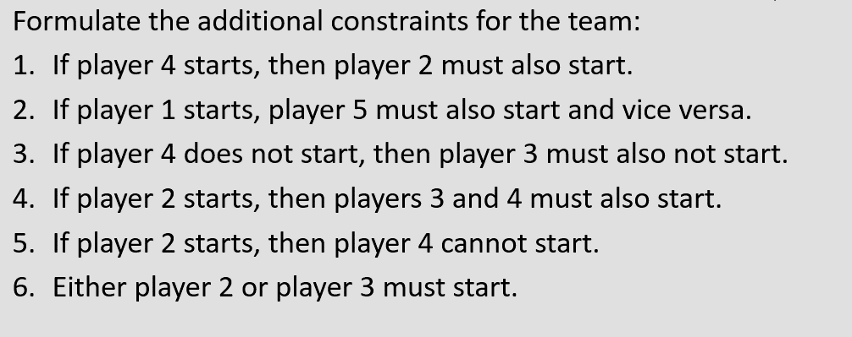

If player 4 starts, then player 2 must also start
x4 | <= | x2
1 | <= | 1 | T | T
1 | <= | 0 | F | F
0 | <= | 1 | T | T
0 | <= | 0 | T | T

x4 <= x2
x4 - x2 <= 0

If player 1 starts, player 5 must also start and vice versa.
x1 | = | x5
1 | = | 1 | T | T
1 | = | 0 | F | F
0 | = | 1 | F | F
0 | = | 0 | T | T

x1 = x5
x1 - x5 = 0

If player 4 does not start, then player 3 must also not start.
x4 | >= | x3
0 | >= | 0 | T | T
0 | >= | 1 | F | F
1 | >= | 0 | T | T
1 | >= | 1 | T | T

x4 >= x3
x4 - x3 >= 0

If player 2 starts, then players 3 and 4 must also start.
x2 | <= | x3 |  |  |  | x2 | <= | x4 |  |  | 2* | x2 | <= | x3 | + | x4 |  | 2x2 | <= | x3+x4
1 | <= | 1 | T | T |  | 1 | <= | 1 | T | T |  | 1 |  | 1 |  | 1 | T | 2 | <= | 2 | T
1 | <= | 0 | F | F |  | 1 | <= | 0 | F | F |  | 1 |  | 1 |  | 0 | F | 2 | <= | 1 | F
0 | <= | 0 | T | T |  | 0 | <= | 0 | T | T |  | 1 |  | 0 |  | 1 | F | 2 | <= | 1 | F
0 | <= | 1 | T | T |  | 0 | <= | 1 | T | T |  | 1 |  | 0 |  | 0 | F | 2 | <= | 0 | F
 |  |  |  |  |  |  |  |  |  |  |  | 0 |  | 1 |  | 1 | T | 0 | <= | 2 | T
2x2 <= x3 + x4 |  |  |  |  |  |  |  |  |  |  |  | 0 |  | 1 |  | 0 | T | 0 | <= | 1 | T
2x2 - x3 - x4 <= 0 |  |  |  |  |  |  |  |  |  |  |  | 0 |  | 0 |  | 1 | T | 0 | <= | 1 | T
 |  |  |  |  |  |  |  |  |  |  |  | 0 |  | 0 |  | 0 | T | 0 | <= | 0 | T
If player 2 starts, then player 4 cannot start.
x2 | + | x4 | <=1 |  | x2+x4 |  |  |  |  |  | 2x2 <= x3 + x4
1 | + | 0 | T |  | 1 | <=1 | T |  |  |  | 2x2 - x3 - x4 <= 0
1 | + | 1 | F |  | 2 | <=1 | F
0 | + | 1 | T |  | 1 | <=1 | T
0 | + | 0 | T |  | 0 | <=1 | T

x2 + x4 <= 1

Either player 2 or player 3 must start.
x2 | + | x3 |  | =1
1 | + | 0 | 1 | T | T
0 | + | 1 | 1 | T | T
0 | + | 0 | 0 | F | F
1 | + | 1 | 2 | F | F

x2 + x3 = 1

